Total Iterations vs EoS
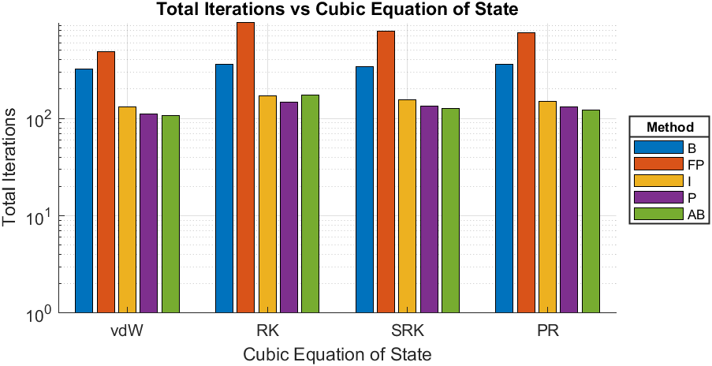
Compound | Hydrogen
Triple Temperature [K] | 13.95
Close to Critical Temperature (CCT) [K] | 33.09
EoS | Calculated Triple Pressure [bar] | Calculated Pressure given CCT [bar] | Total Iterations-B | Total Iterations-FP | Total Iterations-I | Total Iterations-P | Total Iterations-AB
van der Waals | 0.10182 | 12.9739 | 324 | 486 | 132 | 111 | 107
Redlich-Kwong | 0.0018668 | 12.9116 | 362 | 971 | 171 | 146 | 174
Soave-Redlich-Kwong | 0.048938 | 12.9558 | 340 | 781 | 154 | 134 | 127
Peng-Robinson | 0.059928 | 12.9572 | 362 | 754 | 150 | 132 | 123

vdW - Iterations vs Psat
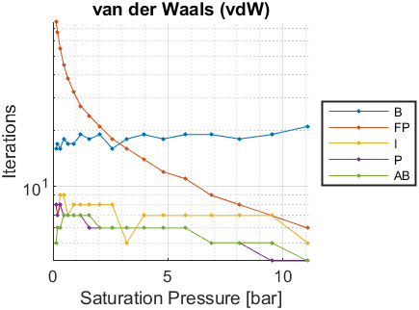
Psat [bar] | Tsat-B [K] | Iterations-B | Tsat-FP [K] | Iterations-FP | Tsat-I [K] | Iterations-I | Tsat-P [K] | Iterations-P | Tsat-AB [K] | Iterations-AB
0.072 | NaN | NaN | NaN | NaN | NaN | NaN | NaN | NaN | NaN | NaN
0.074 | NaN | NaN | NaN | NaN | NaN | NaN | NaN | NaN | NaN | NaN
0.127 | 14.3475 | 16 | 14.3472 | 76 | 14.3474 | 8 | 14.3474 | 8 | 14.3473 | 5
0.204 | 15.279 | 17 | 15.2789 | 67 | 15.279 | 7 | 15.279 | 7 | 15.279 | 6
0.314 | 16.2347 | 16 | 16.2347 | 55 | 16.2347 | 9 | 16.2347 | 8 | 16.2347 | 6
0.461 | 17.1876 | 18 | 17.1876 | 45 | 17.1876 | 9 | 17.1876 | 7 | 17.1876 | 7
0.654 | 18.1525 | 17 | 18.1525 | 38 | 18.1525 | 7 | 18.1525 | 7 | 18.1525 | 7
0.901 | 19.13 | 17 | 19.13 | 32 | 19.13 | 8 | 19.13 | 7 | 19.13 | 7
1.208 | 20.1139 | 19 | 20.1139 | 27 | 20.1139 | 8 | 20.1139 | 7 | 20.1139 | 7
1.585 | 21.1115 | 18 | 21.1115 | 24 | 21.1115 | 8 | 21.1115 | 6 | 21.1115 | 7
2.039 | 22.1197 | 19 | 22.1197 | 21 | 22.1197 | 8 | 22.1197 | 6 | 22.1197 | 6
2.579 | 23.1406 | 16 | 23.1406 | 18 | 23.1406 | 8 | 23.1406 | 6 | 23.1406 | 6
3.213 | 24.1737 | 18 | 24.1737 | 16 | 24.1737 | 5 | 24.1737 | 6 | 24.1737 | 6
3.95 | 25.2201 | 19 | 25.2201 | 14 | 25.2201 | 7 | 25.2201 | 6 | 25.2201 | 6
4.8 | 26.2816 | 18 | 26.2816 | 12 | 26.2816 | 7 | 26.2816 | 6 | 26.2816 | 6
5.77 | 27.356 | 19 | 27.356 | 11 | 27.356 | 7 | 27.356 | 6 | 27.356 | 6
6.872 | 28.4468 | 19 | 28.4468 | 9 | 28.4468 | 7 | 28.4468 | 5 | 28.4468 | 5
8.116 | 29.5545 | 18 | 29.5545 | 8 | 29.5545 | 7 | 29.5545 | 5 | 29.5545 | 5
9.51 | 30.6775 | 19 | 30.6775 | 7 | 30.6775 | 7 | 30.6775 | 4 | 30.6775 | 5
11.07 | 31.8208 | 21 | 31.8208 | 6 | 31.8208 | 5 | 31.8208 | 4 | 31.8208 | 4

RK - Iterations vs Psat
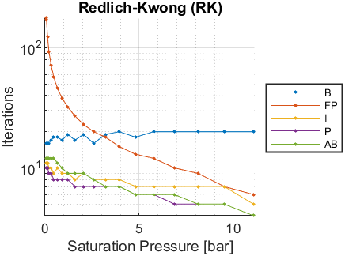
Psat [bar] | Tsat-B [K] | Iterations-B | Tsat-FP [K] | Iterations-FP | Tsat-I [K] | Iterations-I | Tsat-P [K] | Iterations-P | Tsat-AB [K] | Iterations-AB
0.072 | 17.7517 | 16 | 17.7515 | 176 | 17.7517 | 11 | 17.7517 | 10 | 17.7517 | 12
0.074 | 17.7908 | 16 | 17.7905 | 173 | 17.7907 | 11 | 17.7907 | 10 | 17.7907 | 12
0.127 | 18.6074 | 16 | 18.6073 | 124 | 18.6075 | 11 | 18.6075 | 10 | 18.6075 | 12
0.204 | 19.407 | 16 | 19.4069 | 93 | 19.407 | 10 | 19.407 | 9 | 19.4071 | 12
0.314 | 20.2138 | 17 | 20.2138 | 72 | 20.2138 | 10 | 20.2138 | 9 | 20.2138 | 12
0.461 | 21.0059 | 18 | 21.0059 | 57 | 21.0059 | 9 | 21.0059 | 8 | 21.0059 | 12
0.654 | 21.7968 | 18 | 21.7967 | 46 | 21.7968 | 10 | 21.7968 | 8 | 21.7968 | 11
0.901 | 22.5876 | 17 | 22.5876 | 38 | 22.5876 | 9 | 22.5876 | 8 | 22.5876 | 10
1.208 | 23.374 | 19 | 23.374 | 32 | 23.374 | 9 | 23.374 | 8 | 23.374 | 9
1.585 | 24.1624 | 17 | 24.1624 | 27 | 24.1624 | 8 | 24.1624 | 7 | 24.1624 | 9
2.039 | 24.9507 | 19 | 24.9507 | 23 | 24.9507 | 9 | 24.9507 | 7 | 24.9507 | 9
2.579 | 25.7411 | 16 | 25.7411 | 20 | 25.7411 | 8 | 25.7411 | 7 | 25.7411 | 8
3.213 | 26.5333 | 19 | 26.5333 | 18 | 26.5333 | 8 | 26.5333 | 7 | 26.5333 | 7
3.95 | 27.3285 | 20 | 27.3285 | 15 | 27.3285 | 8 | 27.3285 | 7 | 27.3285 | 7
4.8 | 28.1284 | 18 | 28.1284 | 13 | 28.1284 | 7 | 28.1284 | 6 | 28.1284 | 6
5.77 | 28.9314 | 20 | 28.9314 | 12 | 28.9314 | 7 | 28.9314 | 6 | 28.9314 | 6
6.872 | 29.7402 | 20 | 29.7402 | 10 | 29.7402 | 7 | 29.7402 | 5 | 29.7402 | 6
8.116 | 30.5552 | 20 | 30.5552 | 9 | 30.5552 | 7 | 30.5552 | 5 | 30.5552 | 5
9.51 | 31.3756 | 20 | 31.3755 | 7 | 31.3756 | 7 | 31.3756 | 5 | 31.3756 | 5
11.07 | 32.2046 | 20 | 32.2046 | 6 | 32.2046 | 5 | 32.2046 | 4 | 32.2046 | 4

SRK - Iterations vs Psat
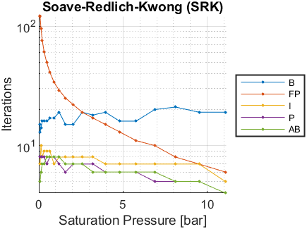
Psat [bar] | Tsat-B [K] | Iterations-B | Tsat-FP [K] | Iterations-FP | Tsat-I [K] | Iterations-I | Tsat-P [K] | Iterations-P | Tsat-AB [K] | Iterations-AB
0.072 | 14.544 | 15 | 14.5437 | 121 | 14.5439 | 8 | 14.544 | 8 | 14.5438 | 5
0.074 | 14.5878 | 13 | 14.5878 | 120 | 14.588 | 7 | 14.5881 | 8 | 14.5878 | 5
0.127 | 15.5166 | 14 | 15.5164 | 96 | 15.5166 | 10 | 15.5166 | 8 | 15.5166 | 6
0.204 | 16.4357 | 16 | 16.4355 | 76 | 16.4356 | 8 | 16.4356 | 8 | 16.4356 | 7
0.314 | 17.372 | 16 | 17.372 | 61 | 17.372 | 9 | 17.372 | 8 | 17.372 | 7
0.461 | 18.2995 | 16 | 18.2995 | 50 | 18.2995 | 9 | 18.2995 | 7 | 18.2995 | 8
0.654 | 19.2328 | 17 | 19.2327 | 41 | 19.2328 | 9 | 19.2328 | 8 | 19.2328 | 8
0.901 | 20.1726 | 17 | 20.1726 | 34 | 20.1726 | 7 | 20.1726 | 8 | 20.1726 | 8
1.208 | 21.1132 | 19 | 21.1131 | 29 | 21.1132 | 8 | 21.1132 | 7 | 21.1132 | 8
1.585 | 22.0615 | 15 | 22.0615 | 25 | 22.0615 | 8 | 22.0615 | 6 | 22.0615 | 7
2.039 | 23.0147 | 15 | 23.0147 | 22 | 23.0148 | 8 | 23.0148 | 7 | 23.0148 | 7
2.579 | 23.975 | 19 | 23.975 | 19 | 23.975 | 8 | 23.975 | 7 | 23.975 | 7
3.213 | 24.9416 | 18 | 24.9416 | 17 | 24.9416 | 8 | 24.9416 | 7 | 24.9417 | 6
3.95 | 25.9159 | 19 | 25.9159 | 15 | 25.9159 | 7 | 25.9159 | 6 | 25.9159 | 6
4.8 | 26.8993 | 16 | 26.8993 | 13 | 26.8993 | 7 | 26.8993 | 6 | 26.8993 | 6
5.77 | 27.89 | 16 | 27.89 | 11 | 27.89 | 7 | 27.89 | 6 | 27.89 | 6
6.872 | 28.8909 | 20 | 28.8909 | 10 | 28.8909 | 7 | 28.8909 | 5 | 28.8909 | 6
8.116 | 29.9025 | 21 | 29.9025 | 8 | 29.9025 | 7 | 29.9025 | 5 | 29.9025 | 5
9.51 | 30.9233 | 19 | 30.9233 | 7 | 30.9233 | 7 | 30.9233 | 5 | 30.9233 | 5
11.07 | 31.9576 | 19 | 31.9576 | 6 | 31.9576 | 5 | 31.9576 | 4 | 31.9576 | 4

PR - Iterations vs Psat
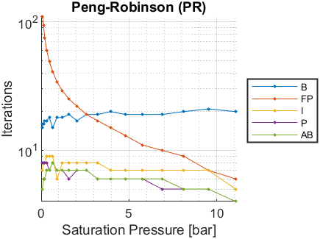
Psat [bar] | Tsat-B [K] | Iterations-B | Tsat-FP [K] | Iterations-FP | Tsat-I [K] | Iterations-I | Tsat-P [K] | Iterations-P | Tsat-AB [K] | Iterations-AB
0.072 | 14.2426 | 15 | 14.2424 | 109 | 14.2425 | 7 | 14.2426 | 8 | 14.2426 | 5
0.074 | 14.2873 | 16 | 14.2871 | 109 | 14.2872 | 7 | 14.2873 | 8 | 14.2873 | 5
0.127 | 15.2301 | 16 | 15.2298 | 94 | 15.2299 | 8 | 15.2299 | 8 | 15.23 | 6
0.204 | 16.1645 | 17 | 16.1644 | 75 | 16.1645 | 8 | 16.1645 | 8 | 16.1646 | 6
0.314 | 17.118 | 17 | 17.118 | 60 | 17.1181 | 9 | 17.1181 | 8 | 17.1181 | 7
0.461 | 18.0636 | 18 | 18.0636 | 49 | 18.0636 | 9 | 18.0636 | 7 | 18.0636 | 7
0.654 | 19.016 | 15 | 19.0159 | 41 | 19.0159 | 9 | 19.0159 | 8 | 19.0159 | 8
0.901 | 19.9754 | 18 | 19.9754 | 34 | 19.9754 | 6 | 19.9754 | 7 | 19.9754 | 7
1.208 | 20.936 | 18 | 20.9359 | 29 | 20.936 | 8 | 20.936 | 7 | 20.9359 | 7
1.585 | 21.9045 | 19 | 21.9045 | 25 | 21.9045 | 8 | 21.9045 | 6 | 21.9045 | 7
2.039 | 22.8779 | 17 | 22.8779 | 22 | 22.8779 | 8 | 22.8779 | 7 | 22.8779 | 7
2.579 | 23.8579 | 19 | 23.8579 | 19 | 23.858 | 8 | 23.858 | 7 | 23.858 | 7
3.213 | 24.8438 | 19 | 24.8438 | 17 | 24.8438 | 8 | 24.8438 | 6 | 24.8439 | 6
3.95 | 25.8365 | 20 | 25.8365 | 15 | 25.8365 | 7 | 25.8365 | 6 | 25.8365 | 6
4.8 | 26.8372 | 19 | 26.8372 | 13 | 26.8372 | 7 | 26.8372 | 6 | 26.8372 | 6
5.77 | 27.8436 | 19 | 27.8436 | 11 | 27.8436 | 7 | 27.8436 | 6 | 27.8436 | 6
6.872 | 28.8586 | 19 | 28.8585 | 10 | 28.8586 | 7 | 28.8585 | 5 | 28.8586 | 6
8.116 | 29.8821 | 20 | 29.8821 | 9 | 29.8821 | 7 | 29.8821 | 5 | 29.8821 | 5
9.51 | 30.9124 | 21 | 30.9124 | 7 | 30.9124 | 7 | 30.9124 | 5 | 30.9124 | 5
11.07 | 31.9533 | 20 | 31.9533 | 6 | 31.9533 | 5 | 31.9533 | 4 | 31.9533 | 4

